Objects
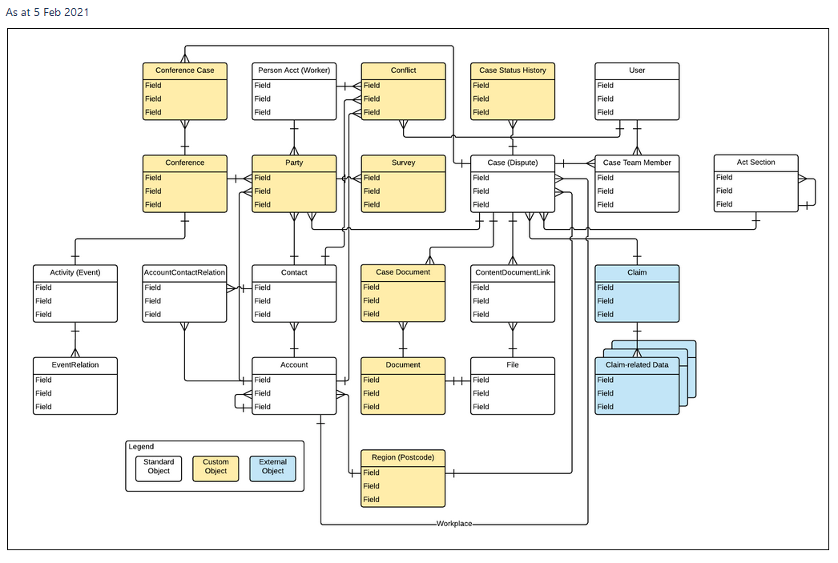
CRM Data Model Objects |  | In Diagram | Entity in ACCS Data Fields
1 | Account | Yes | Account
2 | Contact | Yes | Contact
3 | Account Contract Relationship | Yes | Act Section
4 | Act Section | Yes | Case
5 | Case | Yes - Case (Dispute)
6 | Case Document | Yes
7 | Document | Yes
8 | Conference Case | Yes
9 | Conference | Yes
10 | Party | Yes | Account, Party
11 | Region | Yes
12 | Event |  |  | Event Relation?
13 | Task | ??
14 | Conflict | Yes
15 | User | Yes

One TAB (Green) for each Object
 |  | In Document
 | Person Acct (Worker) | No
 | Cse Status History | No
 | Survey | No |  | TBC?
 | Case Team Member | No
 | Activity | No
 | Content Document Link | No
 | Claim | No
 | Event Relation | No
 | File | No
 | Claim Related Data

